Sheet1
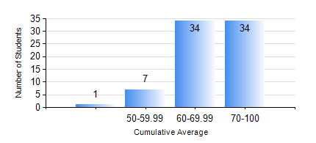
 |  |  | KWAME NKRUMAH UNIVERSITY OF SCIENCE AND TECHNOLOGY, KUMASI Department of Petroleum Engineering

 |  |  | BSC. PETROLEUM ENG.

 |  |  | COMPREHENSIVE RECORD OF EXAMINATION RESULTS

 |  |  | RESULTS OF YEAR 4 SECOND SEMESTER, 2019/2020 ACADEMIC YEAR

 | Sn | Course Code |  | Course Name | Credit Hours | Min. Mark | Max. Mark | Avg. Mark | Std. Dev. | No. Passed | No. Trailed | No. (Df) | No. (I) | No. (I*) | No. Tagged(I,I*,Df) | Total
 | 0. |  |  |  |  |  |  | 0 | 0 | 0 | 0 | 0 | 0 | 0 | 0 | 1
 | 1. | PCE 464 |  | REFINING PROCESSES TECHNOLOGY | 2 | 70 | 79 | 76 | 5.2 | 3 | 0 | 0 | 0 | 0 | 0 | 3
 | 2. | PETE 450 |  | NATURAL GAS ENGINEERING | 3 | 50 | 82 | 65 | 4.98 | 75 | 0 | 0 | 0 | 0 | 0 | 75
 | 3. | PETE 452 |  | PETROLEUM PROJECT EVALUATION | 3 | 50 | 82 | 72 | 5.71 | 75 | 0 | 0 | 0 | 0 | 0 | 75
 | 4. | PETE 454 |  | DESIGN PROJECT | 4 | 65 | 96 | 83 | 7.37 | 75 | 0 | 0 | 0 | 0 | 0 | 75
 | 5. | PETE 456 |  | WELL COMPLETION AND STIMULATION | 3 | 52 | 77 | 65 | 5.21 | 75 | 0 | 0 | 0 | 0 | 0 | 75
 | 6. | PETE 458 |  | OILFIELD GEOCHEMISTRY | 2 | 72 | 94 | 89 | 6.07 | 75 | 0 | 0 | 0 | 0 | 0 | 75
 | 7. | PETE 462 |  | PETROLEUM BUSINESS STRUCTURES AND LOGISTICS | 2 | 62 | 88 | 73 | 6.18 | 68 | 0 | 0 | 0 | 0 | 0 | 68
 | 8. | PETE 466 |  | FUNDAMENTALS OF PETROLEUM LAW | 2 | 50 | 88 | 75 | 9.23 | 75 | 0 | 0 | 0 | 0 | 0 | 75

